Stage1
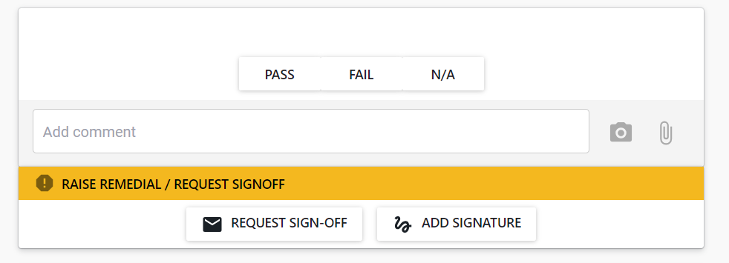
Stage 1 Fitout
Linings & Trim | Plasterboard Linings | Works completed, reviewed and approved | same checklist for each item
 | Prefinished Linings | Works completed, reviewed and approved
 | Splashbacks | Works completed, reviewed and approved
 | Skirting | Works completed, reviewed and approved
 | Architrave/Trim | Works completed, reviewed and approved
 | Access Panels | Works completed, reviewed and approved
 | Ceiling Tiles | Works completed, reviewed and approved
 | Ceiling Service Tiles | Works completed, reviewed and approved
Paint | Walls | Works completed, reviewed and approved
 | Ceilings | Works completed, reviewed and approved
 | Trim | Works completed, reviewed and approved
 | Doors | Works completed, reviewed and approved
 | Wall Fabrics | Works completed, reviewed and approved
 | Misc finishes | Works completed, reviewed and approved
Flooring | Floor coatings | Works completed, reviewed and approved
 | Vinyl coverings | Works completed, reviewed and approved
 | Carpet Tiles | Works completed, reviewed and approved
Joinery | Kitchen J01 | Works completed, reviewed and approved
 | Kitchen J02 | Works completed, reviewed and approved
 | Kitchen J03 | Works completed, reviewed and approved
 | Kitchen J04 | Works completed, reviewed and approved
 | Bag Store J05-06-07 | Works completed, reviewed and approved
 | Canteen Bench J09 | Works completed, reviewed and approved
 | Female Showers J02 | Works completed, reviewed and approved
 | Female Showers AD-12 Shroud | Works completed, reviewed and approved
 | Female Showers Change Seat 1 | Works completed, reviewed and approved
 | Female Showers Change Seat 2 | Works completed, reviewed and approved
Bathroom Partitions | Showers | Works completed, reviewed and approved
 | WC's | Works completed, reviewed and approved
Interior Doors & Hardware | D01 Corridor | Works completed, reviewed and approved
 | D02 Canteen | Works completed, reviewed and approved
 | D03 Canteen Roller | Works completed, reviewed and approved
 | D06 Female Showers | Works completed, reviewed and approved
 | Rail / Hook | Works completed, reviewed and approved
 | Corridor 1,4 Opening | Works completed, reviewed and approved
 | Mirrors | Works completed, reviewed and approved
Appliances | Ceramic hob | Works completed, reviewed and approved
` | Built-in oven | Works completed, reviewed and approved
 | Microwave | Works completed, reviewed and approved
 | Rangehood | Works completed, reviewed and approved
Electrical | SWB | Works completed, reviewed and approved
 | Lighting | Works completed, reviewed and approved
 | Controls | Works completed, reviewed and approved
 | Outlets | Works completed, reviewed and approved
 | TV | Works completed, reviewed and approved
 | Floor boxes | Works completed, reviewed and approved
 | Hand Dryers | Works completed, reviewed and approved
Mechanical | Grilles | Works completed, reviewed and approved
 | Controls | Works completed, reviewed and approved
Plumbing | Tapware | Works completed, reviewed and approved
 | Hotwater Boilers | Works completed, reviewed and approved
Metal Windows & Doors | W01 Doors | Works completed, reviewed and approved
 | W02 | Works completed, reviewed and approved
 | W2 Blind | Works completed, reviewed and approved
 | W03 | Works completed, reviewed and approved
 | W04 Door | Works completed, reviewed and approved
 | W05 Door | Works completed, reviewed and approved
 | Hardware | Works completed, reviewed and approved
 | Manifestations | Works completed, reviewed and approved
Exterior Cladding | PIR Roofing | Works completed, reviewed and approved
 | Membrane Roofing | Works completed, reviewed and approved
 | Gutters | Works completed, reviewed and approved
 | Downpipes | Works completed, reviewed and approved
 | Metal Cladding | Works completed, reviewed and approved
 | Fasica & Soffit | Works completed, reviewed and approved
 | Penetrations | Works completed, reviewed and approved
 | Decking | Works completed, reviewed and approved
 | Exterior Steps & Handrail | Works completed, reviewed and approved
Signage | Accessible signage | Works completed, reviewed and approved
Handover | 1.01 Dining | Areas cleaned for handover
 | 1.02- Kitchen | Areas cleaned for handover
 | 1.03- Bag Store | Areas cleaned for handover
 | 1.04-1.05 Canteen | Areas cleaned for handover
 | 3.20-3.21 Clothing Store | Areas cleaned for handover
 | 3.22-3.24 Female Showers | Areas cleaned for handover

